INPUT
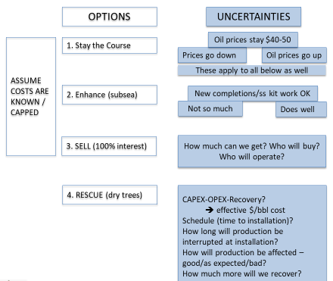
DQM model for WORLD OIL-article |  | CASE | STONES | INPUT | = Assumptions
STAY THE COURSE… minimize investment
ENHANCE the subsea system… new investment limit $1.5B
SELL as much as possible
RESCUE with FrPS |  |  |  |  |  | WTI avg.
 | $45.00 | /bbl, EXPECTED OIL price CONSTANT REAL DOLLARS |  |  |  | $56.99 | 2019
STAY the Course | $30.00 | /bbl, LOW OIL price |  |  |  | $65.23 | 2018
 | $60.00 | /bbl, HIGH OIL price |  |  |  | $50.80 | 2017
 |  |  |  |  |  | $43.29 | 2016
 | $15.00 | /bbl, OPEX etc. for subsea |  |  |  | $48.66 | 2015
 | $6.00 | /bbl, OPEX etc. for dry tree option |  |  |  | $52.99

 | 50,000,000 | bbls, reserves left to produce AFTER decision implemented

ENHANCE subsea | $1,000 | M, new CAPEX, expected
 | $500 | low CAPEX (note - subsea pump at JSM ~$300M)
 | $1,500 | high CAPEX
 | 10% | SUBSEA recovery ENHANCEMENT, expected
 | 0% | recovery ENHANCEMENT, LOW
 | 30% | recovery ENHANCEMENT, HIGH
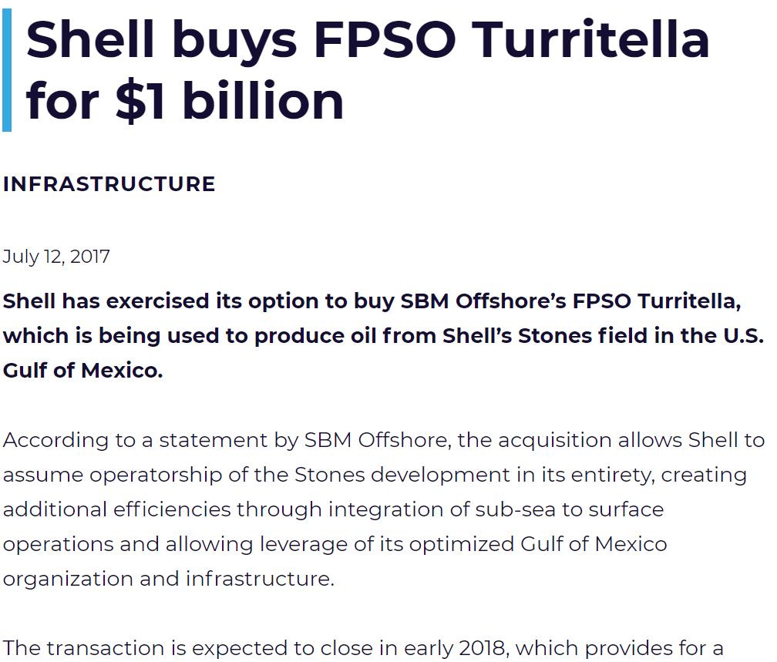
 | $20.00 | /bbl SALES price, EXPECTED… covers cost of FPSO
SELL (100%) | $15.00 | /bbl SALES price, LOW
 | $25.00 | /bbl SALES price, HIGH

 | $1,000 | M, new CAPEX, expected |  | 33% | Expected Reserves INCREASE
RESCUE | $750 | low CAPEX |  | 11% | low INCREASE (Exp'd/3)
 | $1,500 | high CAPEX |  | 66% | high INCREASE (Exp'd*2)

D&C costs-data
from ROY 20200827 - I have been able to locate this same information in a couple of different articles.
Looks like the initial project sanction of the [JSM] subsea system included 12 wells, manifolds, pumps, controls, flowlines, chokes etc. for $2.5 billion or 2500000000/12 = $200M per well. Combined with the drilling and completion costs of about $250 - $300 per well, the total cost of subsea producer with SURF is about $500M per well. We probably should note these references in the paper, so people know where they came from.
For a dry tree well, assume ½ the drilling takes place with a MODU finished by the FrPS = 85 days * 800000$/day + 85*400000$/day + $20M for tangibles = $122M. Completion by the FrPS 90 days*400000$/day+$20M for tangibles = $56M. Total FrPS well cost = $178M
As far as estimated recovery for a subsea well, if we look at Stones, you could assume that a well starts around 15,000 bbl/day and declines about 165 bbls/day/per month, hence the life of one well is less than 7 years and estimated recovery is 20,680,000 bbls per well
Then on 20200828 -
I don’t think that the well will continue to produce down to less than 1,000 bbl per day and it is very likely that completion problems may shut the well in sooner. At rates below a few thousand bbls per day a recompletion and redrill may not be economic.
Also, looking at the spreadsheet, it looks like through the end of 2019 Shell had drilled at least 20 wellbores (including sidetracks) on Stones, but had only 7 completions or about 33% of the wells. From the production data, only 2 of those completions appear to be any good or about 10% of the wells. I added up the total drilling and completion days for a total of 2120 days or about 2120*1100000+(16*20000000+7*20000000) = $2,792,000,00 drilling and completion dollars for 2 decent completions.
DRILLING & COMPLETION and Tieback COSTS
INPUT
 | All Up MODU day rate | $800,000 |  | Subsea TIEBACK | $200,000,000 | per well
 | All Up 20k MODU rate | $1,500,000 |  | Subsea TIEBACK | $260,000,000 | per 20k well
 | All Up FrPS day rate | $400,000 |  | DRY TREE Tieback | $15,000,000 | per well

 | Subsea Well COSTS
 | DAYS Drilling | 170
 | DAYS Completing | 100
 | Total DAYS | 270 |  | D&C COSTS | $216,000,000 | $405,000,000
 |  |  |  | Subsea Well COSTS | $416,000,000 | $665,000,000 | per well
 |  |  |  |  |  | per 20k well
 | FrPS DRY TREE Well COSTS
 | MODU DAYS Drilling | 90 | pre-drill upper sections of well
 | FrPS DAYS Drilling | 80 | finish drilling from the FrPS
 | DAYS Completing | 100 | from the FrPS
 | Total DAYS | 270 |  | D&C COSTS | $144,000,000
 |  |  |  | Tangibles | $20,000,000 | per well
 |  |  |  | FrPS DRY TREE Well COSTS | $179,000,000 | per well
OFFSHORE STAFF (20150123) - OneSubsea, through one of its predecessors, was awarded the subsea production systems contract in 2010. The scope included the delivery of 12 15,000-psi subsea wellhead trees, production controls, 4 manifolds and associated connection systems, engineering and project management.
In 2011, through another of its predecessor companies was awarded the subsea processing systems contract for 3 pump stations, 3 subsea pump control modules and associated control and instrumentation equipment.
EIA – UPSTREAM COST STUDY, IHS March 2016
Figure 9-20 shows that of the total $12 billion estimated project cost, 60% will be spent on drilling and completion of subsea wells (each costing about $240MM per well, which is a typical well cost for Lower Tertiary HPHT wells). A cost of $1.5 billion is estimated for the semisubmersible platform. A $2.5 billion subsea system cost is comprised of 4 subsea clusters, 3 flowlines connecting clusters to risers, 2 flexible risers reaching the platform, 6 water injection subsea manifolds, and one subsea pump. A HPHT resistant subsea pump costs around $300MM.
 | Field Dev COMPARISON |  |  | WET | $4,160,000,000 | $6,650,000,000
 |  | # wells | 10 | DRY | $1,790,000,000
 |  |  |  | savings | $2,370,000,000 | $4,860,000,000

